Spring selection type
Select spring to calculate.

Compression Spring 1K
Compression Spring 2K
Tension Spring
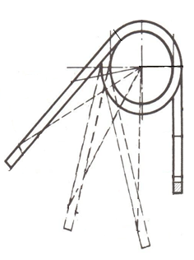
Torsion Spring

